Total Debt by Age
Posted with "The Graying of American Debt", by Meta Brown, Donghoon Lee, Joelle Scally, Katherine Strair, and Wilbert van der Klaauw .
http://libertystreeteconomics.newyorkfed.org/2016/02/the-graying-of-american-debt.html

Total Debt by Age
Source: New York Fed Consumer Credit Panel / Equifax

Age | 2003 | 2015
20 | 17739698589 | 25984582416
21 | 28170951316 | 36212981521
22 | 40681989860 | 46104637030
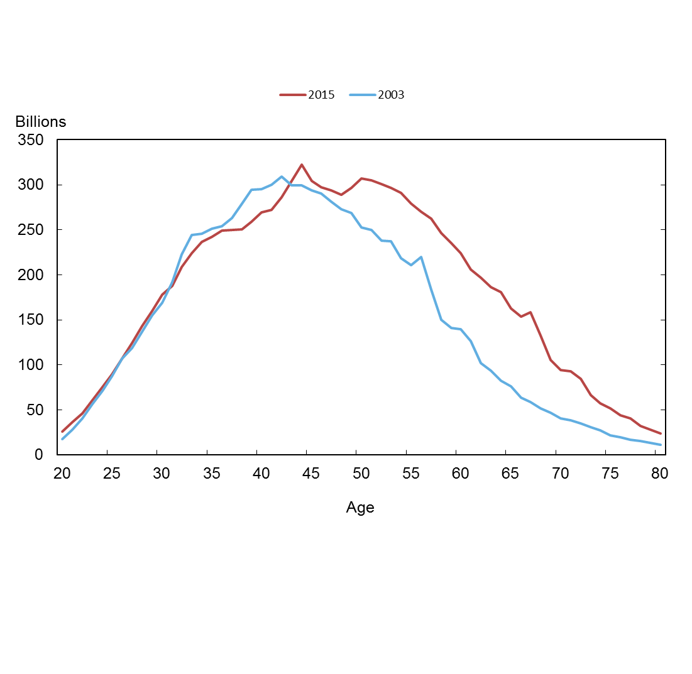
23 | 56317694227 | 60544163849
24 | 71157303415 | 75708787706
25 | 87009136715 | 89333615988
26 | 106597346437 | 106992937587
27 | 118862214891 | 124210016663
28 | 136990623388 | 142870821038
29 | 154591000339 | 159478855836
30 | 168897193413 | 178276604139
31 | 192027001604 | 187730803083
32 | 222341340670 | 208611929453
33 | 244417954214 | 224047920717
34 | 245377692248 | 236781020225
35 | 251223109271 | 242112510874
36 | 254268581205 | 249066195869
37 | 263009018791 | 249771841057
38 | 278898924162 | 250814674408
39 | 294176701737 | 258572749900
40 | 295141036450 | 269172597806
41 | 299912486530 | 272158537841
42 | 309238136085 | 285987504178
43 | 299034488078 | 304386108980
44 | 299077161288 | 322688653259
45 | 294067194453 | 304542753152
46 | 290243112984 | 297323946386
47 | 281284417629 | 293967025318
48 | 273010956122 | 289134702516
49 | 268924022238 | 296781864582
50 | 252913994992 | 307098442059
51 | 249920589417 | 304948956673
52 | 237778923092 | 300847474457
53 | 237052898083 | 296224812467
54 | 218705005095 | 291026953806
55 | 210616055834 | 279224848473
56 | 220002799676 | 269713768359
57 | 183207490916 | 262428532070
58 | 150286763723 | 246320760048
59 | 141247262904 | 234905372593
60 | 139642050904 | 223849594490
61 | 126113641535 | 205623319104
62 | 101879300490 | 197082761263
63 | 93470401719 | 186280858157
64 | 82227893235 | 180746663621
65 | 76382225922 | 162945229148
66 | 63723985148 | 153556108176
67 | 58734425891 | 158220420411
68 | 51700186763 | 132695748679
69 | 46450454913 | 105058777488
70 | 40310293004 | 93982455699
71 | 38582182424 | 92937736036
72 | 35069734811 | 84165334806
73 | 30969006840 | 66211939589
74 | 26926640053 | 57505487109
75 | 2.20E+10 | 5.18E+10
76 | 1.95E+10 | 4.37E+10
77 | 1.65E+10 | 4.02E+10
78 | 1.56E+10 | 3.21E+10
79 | 1.36E+10 | 2.81E+10
80 | 1.11E+10 | 2.41E+10

Percent Change
Posted with "The Graying of American Debt", by Meta Brown, Donghoon Lee, Joelle Scally, Katherine Strair, and Wilbert van der Klaauw .
http://libertystreeteconomics.newyorkfed.org/2016/02/the-graying-of-american-debt.html

Percent Change in Debt
Source: New York Fed Consumer Credit Panel / Equifax
Age | Population aging | Changing behavior | Total
20 | 3.23% | 43.24% | 46.48%
21 | 4.77% | 23.78% | 28.55%
22 | 6.74% | 6.59% | 13.33%
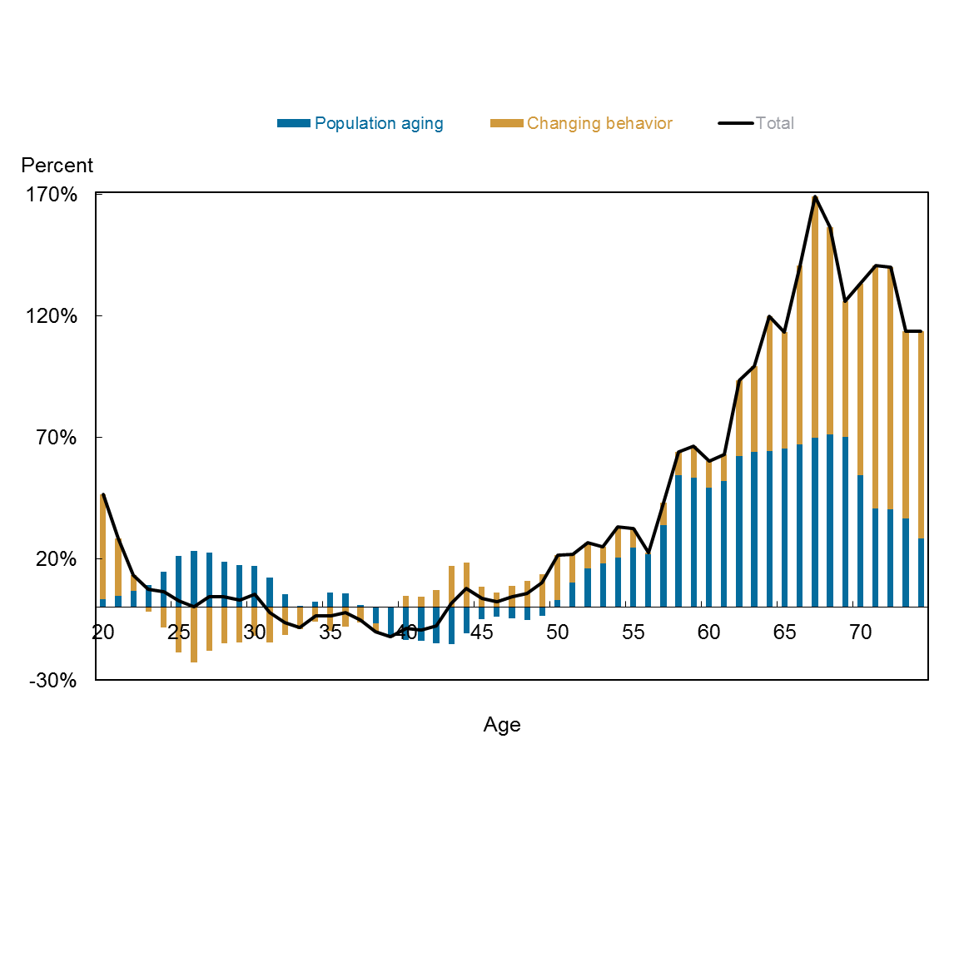
23 | 9.16% | -1.65% | 7.50%
24 | 14.75% | -8.35% | 6.40%
25 | 21.09% | -18.42% | 2.67%
26 | 23.10% | -22.73% | 0.37%
27 | 22.44% | -17.94% | 4.50%
28 | 18.94% | -14.64% | 4.29%
29 | 17.57% | -14.41% | 3.16%
30 | 17.22% | -11.66% | 5.55%
31 | 12.33% | -14.57% | -2.24%
32 | 5.31% | -11.48% | -6.17%
33 | 0.75% | -9.08% | -8.33%
34 | 2.50% | -6.01% | -3.50%
35 | 6.12% | -9.75% | -3.63%
36 | 5.87% | -7.91% | -2.05%
37 | 1.03% | -6.07% | -5.03%
38 | -6.51% | -3.56% | -10.07%
39 | -11.98% | -0.12% | -12.10%
40 | -13.50% | 4.70% | -8.80%
41 | -13.66% | 4.41% | -9.25%
42 | -14.79% | 7.27% | -7.52%
43 | -15.19% | 16.98% | 1.79%
44 | -10.69% | 18.58% | 7.89%
45 | -4.82% | 8.38% | 3.56%
46 | -3.80% | 6.24% | 2.44%
47 | -4.40% | 8.91% | 4.51%
48 | -5.11% | 11.01% | 5.91%
49 | -3.36% | 13.71% | 10.36%
50 | 2.90% | 18.53% | 21.42%
51 | 10.37% | 11.65% | 22.02%
52 | 16.13% | 10.40% | 26.52%
53 | 18.12% | 6.84% | 24.96%
54 | 20.49% | 12.58% | 33.07%
55 | 24.45% | 8.12% | 32.58%
56 | 21.94% | 0.65% | 22.60%
57 | 33.90% | 9.34% | 43.24%
58 | 54.47% | 9.43% | 63.90%
59 | 53.54% | 12.76% | 66.31%
60 | 49.24% | 11.07% | 60.30%
61 | 52.13% | 10.91% | 63.05%
62 | 62.19% | 31.26% | 93.45%
63 | 64.06% | 35.23% | 99.29%
64 | 64.46% | 55.35% | 119.81%
65 | 65.24% | 48.09% | 113.33%
66 | 67.19% | 73.78% | 140.97%
67 | 69.97% | 99.42% | 169.38%
68 | 71.31% | 85.36% | 156.66%
69 | 70.11% | 56.07% | 126.17%
70 | 54.36% | 78.79% | 133.15%
71 | 40.59% | 100.29% | 140.88%
72 | 40.44% | 99.55% | 139.99%
73 | 36.58% | 77.22% | 113.80%
74 | 28.52% | 85.04% | 113.56%

Avg Debt Per Capita 2015
Posted with "The Graying of American Debt", by Meta Brown, Donghoon Lee, Joelle Scally, Katherine Strair, and Wilbert van der Klaauw .
http://libertystreeteconomics.newyorkfed.org/2016/02/the-graying-of-american-debt.html

Average Debt Per Capita
Source: New York Fed Consumer Credit Panel / Equifax
 | Mortgage (Left axis) | HELOC | Student loan | Credit card | Auto | Mortgage + HELOC
20 | 118.72941042 | 18.218794381 | 4870.9127696 | 176.03501413 | 927.53939184 | 136.94820481
21 | 395.87639287 | 20.987326786 | 6273.2856334 | 306.27858849 | 1448.1035048 | 416.86371966
22 | 795.44870953 | 29.285913501 | 7422.784203 | 464.05330178 | 1994.61004 | 824.73462303
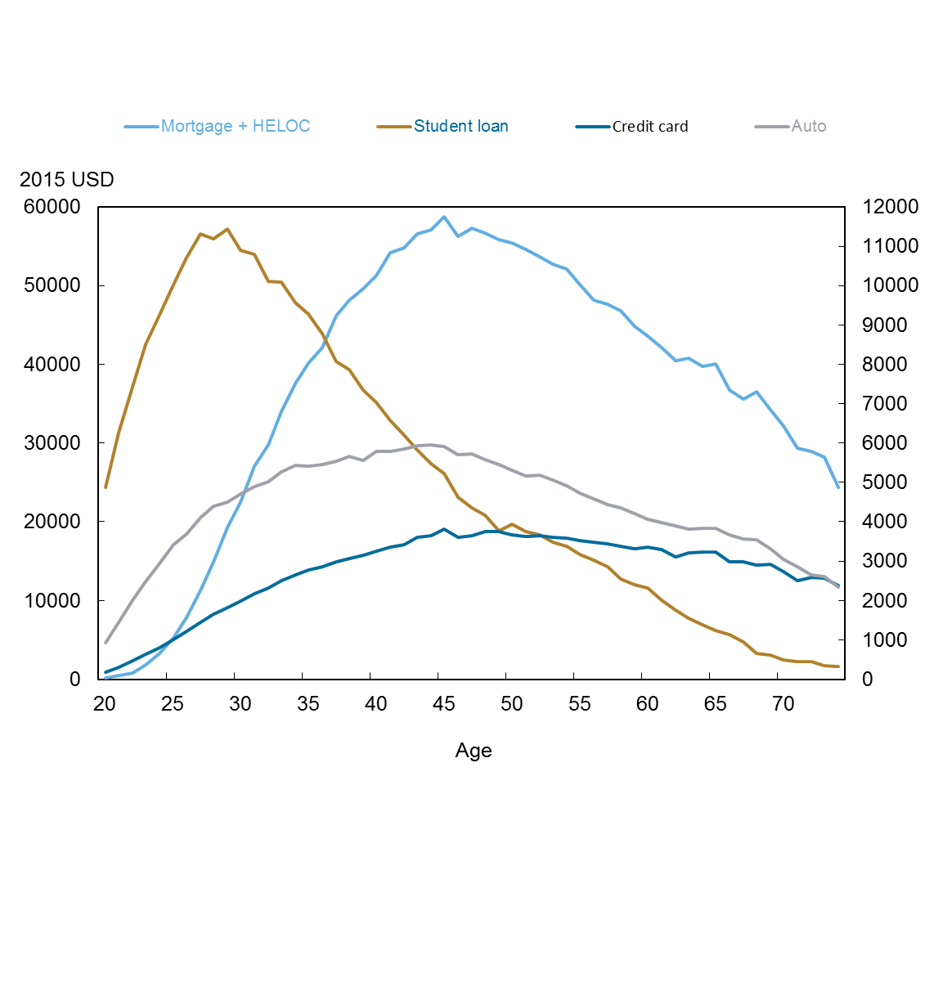
23 | 1788.1029035 | 29.991866885 | 8498.1565793 | 624.11081319 | 2489.8736197 | 1818.0947704
24 | 3210.9100311 | 33.672752559 | 9257.8217441 | 794.08244356 | 2935.1179959 | 3244.5827836
25 | 5224.6369829 | 33.459478891 | 10032.691958 | 1012.4221576 | 3420.6594661 | 5258.0964618
26 | 7773.5015 | 57.0480233 | 10713.377658 | 1206.2917266 | 3684.5579352 | 7830.5495233
27 | 11216.213559 | 70.597907891 | 11302.111901 | 1446.9363304 | 4103.3332559 | 11286.811466
28 | 14828.89069 | 109.18761852 | 11197.634096 | 1650.1340431 | 4386.8099105 | 14938.078309
29 | 19094.699068 | 134.71810978 | 11440.113067 | 1828.1806281 | 4506.8679497 | 19229.417178
30 | 22254.091699 | 185.79920581 | 10892.014902 | 1983.6145458 | 4701.5196335 | 22439.890905
31 | 26798.107844 | 278.66335339 | 10787.109755 | 2167.9288958 | 4900.1776863 | 27076.771197
32 | 29487.682115 | 286.04983655 | 10111.328719 | 2324.9903586 | 5025.9164525 | 29773.731952
33 | 33661.453491 | 388.01623049 | 10092.143984 | 2496.0160839 | 5275.725466 | 34049.469721
34 | 37074.068943 | 457.57710787 | 9569.514542 | 2650.5082318 | 5422.7136691 | 37531.646051
35 | 39491.099903 | 623.79593592 | 9283.3380036 | 2774.388251 | 5409.8880176 | 40114.895839
36 | 41443.291535 | 725.90894293 | 8768.2035677 | 2855.8611816 | 5446.8027543 | 42169.200478
37 | 45245.237018 | 936.95582929 | 8081.1142695 | 2976.0237578 | 5539.6038132 | 46182.192847
38 | 47035.650119 | 1077.8420086 | 7872.9723026 | 3074.4499874 | 5661.1456291 | 48113.492128
39 | 48343.02813 | 1212.3309074 | 7350.5746501 | 3143.8556237 | 5550.8031024 | 49555.359037
40 | 49893.923524 | 1387.0363516 | 7024.4665695 | 3259.8284492 | 5782.139495 | 51280.959876
41 | 52513.020599 | 1639.7509165 | 6570.9894281 | 3352.7950119 | 5786.2716409 | 54152.771515
42 | 53058.287259 | 1762.8103945 | 6196.4000982 | 3409.6815491 | 5855.238018 | 54821.097654
43 | 54668.683889 | 1882.9225554 | 5833.9858559 | 3594.4748115 | 5921.2329286 | 56551.606444
44 | 54948.988458 | 2131.0568041 | 5476.2286334 | 3651.0343426 | 5942.231643 | 57080.045262
45 | 56323.655059 | 2430.0412247 | 5222.3537377 | 3812.5383588 | 5903.7223827 | 58753.696284
46 | 53716.804183 | 2493.8080638 | 4615.2138394 | 3606.6276377 | 5711.4187818 | 56210.612247
47 | 54592.25694 | 2657.4535446 | 4349.0467877 | 3648.8495524 | 5720.4807647 | 57249.710485
48 | 53844.779756 | 2791.3071421 | 4162.2118733 | 3739.5517971 | 5579.6102159 | 56636.086898
49 | 52858.941737 | 2987.0723919 | 3768.5031873 | 3748.048431 | 5457.5590683 | 55846.014128
50 | 52215.634901 | 3195.6916331 | 3935.4783207 | 3676.6137175 | 5301.3262685 | 55411.326534
51 | 51304.649581 | 3314.3497382 | 3747.3617576 | 3635.4196558 | 5160.316852 | 54618.999319
52 | 50206.15109 | 3410.3426866 | 3675.5389485 | 3639.5698517 | 5186.2739209 | 53616.493777
53 | 49293.444772 | 3430.4222803 | 3478.3707591 | 3609.8099746 | 5061.3165193 | 52723.867052
54 | 48499.388945 | 3554.6286929 | 3369.0103266 | 3574.7977797 | 4917.1723222 | 52054.017638
55 | 46684.985327 | 3459.4243041 | 3168.0310172 | 3511.2978584 | 4725.6964678 | 50144.409631
56 | 44535.886276 | 3647.1578813 | 3019.9487797 | 3484.8176096 | 4570.8932766 | 48183.044157
57 | 43885.863017 | 3791.1344789 | 2866.5525081 | 3442.8241375 | 4443.3580577 | 47676.997496
58 | 42994.68175 | 3811.5080632 | 2546.2967217 | 3383.8551162 | 4355.186559 | 46806.189813
59 | 41150.553756 | 3701.9809258 | 2389.6826587 | 3311.2405002 | 4214.4014477 | 44852.534681
60 | 39789.342387 | 3804.2419561 | 2308.1337859 | 3351.9870673 | 4070.8960428 | 43593.584343
61 | 38533.838509 | 3615.6309546 | 2003.9676972 | 3295.0109849 | 3972.9615593 | 42149.469464
62 | 37030.931459 | 3448.0174376 | 1758.7195627 | 3107.2315133 | 3889.7513424 | 40478.948897
63 | 36984.573446 | 3745.6508619 | 1541.9432868 | 3204.2615602 | 3804.2809849 | 40730.224308
64 | 35798.578499 | 3894.3617084 | 1384.1145318 | 3223.0709357 | 3841.1698252 | 39692.940207
65 | 35969.287542 | 4030.8386419 | 1227.1218971 | 3230.3111492 | 3830.8286709 | 40000.126184
66 | 33053.171598 | 3697.6191418 | 1131.7068649 | 2981.8954165 | 3659.9893005 | 36750.79074
67 | 32262.680757 | 3349.9197315 | 951.07864598 | 2989.6002643 | 3560.8250521 | 35612.600489
68 | 32710.651545 | 3790.7088738 | 656.40724785 | 2905.3309539 | 3532.8836576 | 36501.360419
69 | 30705.411963 | 3534.633585 | 613.46078521 | 2912.2774081 | 3304.2111494 | 34240.045548
70 | 28930.561089 | 3212.4062102 | 489.7383789 | 2726.8021235 | 3034.5662555 | 32142.967299
71 | 26168.212365 | 3203.8506884 | 443.48754961 | 2493.4167068 | 2855.5325573 | 29372.063054
72 | 25854.542406 | 3040.332542 | 442.79464995 | 2585.3891372 | 2641.0513879 | 28894.874948
73 | 25254.574446 | 2947.1190949 | 351.70279298 | 2566.5700539 | 2600.7250038 | 28201.693541
74 | 21470.027681 | 2862.4163371 | 315.04380504 | 2372.5144331 | 2329.4484525 | 24332.444018

Mortgage and HELOC 2015 Debt Cg
Posted with "The Graying of American Debt", by Meta Brown, Donghoon Lee, Joelle Scally, Katherine Strair, and Wilbert van der Klaauw .
http://libertystreeteconomics.newyorkfed.org/2016/02/the-graying-of-american-debt.html

Mortgage and HELOC Debt change 2003 to 2015
Source: New York Fed Consumer Credit Panel / Equifax

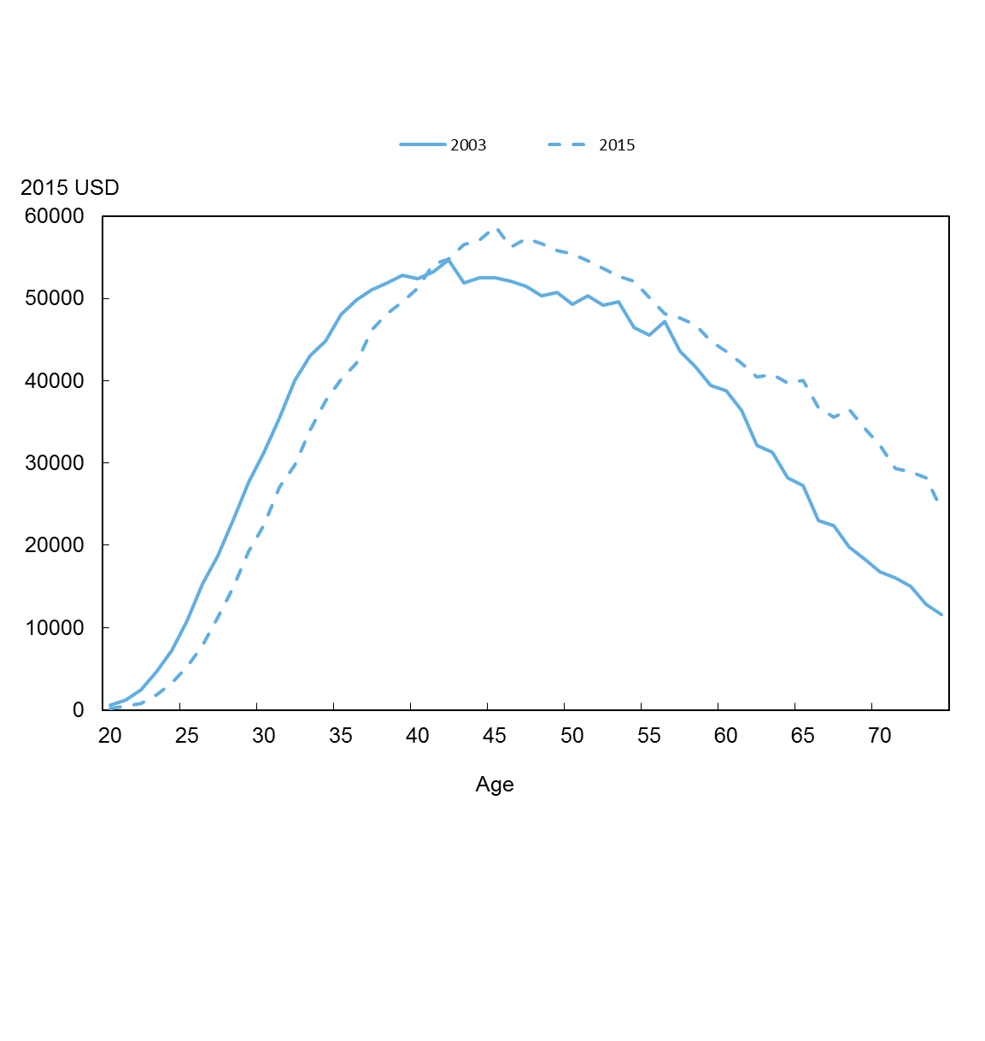
Age | 2015 | 2003
20 | 136.94820481 | 523.59543208
21 | 416.86371966 | 1204.0864053
22 | 824.73462303 | 2469.4346072
23 | 1818.0947704 | 4635.573209
24 | 3244.5827836 | 7250.2683392
25 | 5258.0964618 | 10883.401946
26 | 7830.5495233 | 15340.035456
27 | 11286.811466 | 18754.768101
28 | 14938.078309 | 23062.394494
29 | 19229.417178 | 27651.113732
30 | 22439.890905 | 31278.555716
31 | 27076.771197 | 35470.541235
32 | 29773.731952 | 40013.074858
33 | 34049.469721 | 43087.438238
34 | 37531.646051 | 44774.499604
35 | 40114.895839 | 48070.981316
36 | 42169.200478 | 49778.652308
37 | 46182.192847 | 51096.05858
38 | 48113.492128 | 51898.009463
39 | 49555.359037 | 52811.18295
40 | 51280.959876 | 52431.791544
41 | 54152.771515 | 53271.155649
42 | 54821.097654 | 54682.521484
43 | 56551.606444 | 51926.257237
44 | 57080.045262 | 52522.495314
45 | 58753.696284 | 52547.659132
46 | 56210.612247 | 52138.492083
47 | 57249.710485 | 51476.582251
48 | 56636.086898 | 50343.264486
49 | 55846.014128 | 50715.495163
50 | 55411.326534 | 49306.275267
51 | 54618.999319 | 50326.371687
52 | 53616.493777 | 49186.872702
53 | 52723.867052 | 49559.590578
54 | 52054.017638 | 46468.435242
55 | 50144.409631 | 45511.145363
56 | 48183.044157 | 47196.126255
57 | 47676.997496 | 43561.804694
58 | 46806.189813 | 41680.422469
59 | 44852.534681 | 39405.858334
60 | 43593.584343 | 38772.904822
61 | 42149.469464 | 36362.818573
62 | 40478.948897 | 32100.685761
63 | 40730.224308 | 31296.433863
64 | 39692.940207 | 28173.422495
65 | 40000.126184 | 27259.817532
66 | 36750.79074 | 23024.70837
67 | 35612.600489 | 22360.265615
68 | 36501.360419 | 19809.393442
69 | 34240.045548 | 18369.014579
70 | 32142.967299 | 16793.722742
71 | 29372.063054 | 16080.997852
72 | 28894.874948 | 14965.736766
73 | 28201.693541 | 12793.375485
74 | 24332.444018 | 11585.189582

Avg Debt Per Cap 03
Posted with "The Graying of American Debt", by Meta Brown, Donghoon Lee, Joelle Scally, Katherine Strair, and Wilbert van der Klaauw .
http://libertystreeteconomics.newyorkfed.org/2016/02/the-graying-of-american-debt.html

Avg Debt Per Capita 2003
Source: New York Fed Consumer Credit Panel / Equifax
 | Mortgage (Left axis) | HELOC | Student loan | Credit card | Auto | Mortg+HELOC
20 | 517.64 | 5.9506990447 | 2259.353 | 338.83955263 | 852 | 523.60
21 | 1194.60 | 9.4836167901 | 2943.633 | 710.15480397 | 1426 | 1204.09
22 | 2436.92 | 32.511520996 | 3477.516 | 1065.2430623 | 2021 | 2469.43
23 | 4555.78 | 79.796501135 | 3967.038 | 1418.8662003 | 2609 | 4635.57
24 | 7137.91 | 112.36198202 | 4409.133 | 1732.5191727 | 3186 | 7250.27
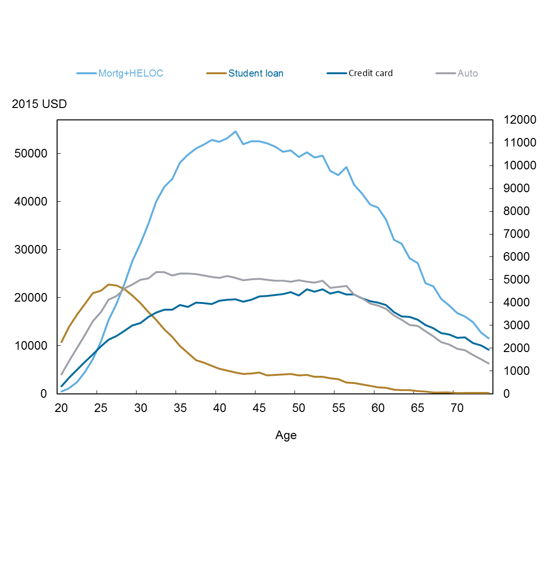
25 | 10694.07 | 189.33422169 | 4515.918 | 2078.9444987 | 3578 | 10883.40
26 | 15038.02 | 302.01165954 | 4784.817 | 2377.5726594 | 4122 | 15340.04
27 | 18363.09 | 391.67722052 | 4750.043 | 2549.4105246 | 4292 | 18754.77
28 | 22524.86 | 537.53440493 | 4574.683 | 2763.2543063 | 4634 | 23062.39
29 | 27059.29 | 591.82165784 | 4311.272 | 2998.0306317 | 4781 | 27651.11
30 | 30449.24 | 829.31316207 | 3979.289 | 3105.5382653 | 4994 | 31278.56
31 | 34380.65 | 1089.8911362 | 3590.493 | 3366.773424 | 5059 | 35470.54
32 | 38953.03 | 1060.0446251 | 3238.518 | 3554.2732226 | 5328 | 40013.07
33 | 41852.46 | 1234.9806211 | 2833.636 | 3684.0128286 | 5328 | 43087.44
34 | 43333.60 | 1440.8984042 | 2497.459 | 3694.4313893 | 5180 | 44774.50
35 | 46479.07 | 1591.9065653 | 2106.866 | 3895.0904045 | 5279 | 48070.98
36 | 48011.23 | 1767.4234499 | 1789.466 | 3817.0443914 | 5262 | 49778.65
37 | 49239.52 | 1856.5432553 | 1481.296 | 3988.7683584 | 5244 | 51096.06
38 | 49917.44 | 1980.5708077 | 1365.139 | 3987.3242956 | 5192 | 51898.01
39 | 50786.81 | 2024.369343 | 1216.196 | 3944.351448 | 5134 | 52811.18
40 | 50476.04 | 1955.7552823 | 1100.306 | 4089.0422468 | 5090 | 52431.79
41 | 51162.29 | 2108.8624055 | 1023.053 | 4115.0889184 | 5169 | 53271.16
42 | 52396.32 | 2286.2019432 | 940.5234 | 4146.7435639 | 5092 | 54682.52
43 | 49570.30 | 2355.9582355 | 877.9582 | 4034.6598661 | 4976 | 51926.26
44 | 50105.66 | 2416.8318403 | 890.7121 | 4132.5169583 | 5015 | 52522.50
45 | 50165.01 | 2382.6461671 | 925.2437 | 4268.9352745 | 5036 | 52547.66
46 | 49491.45 | 2647.0399741 | 803.3939 | 4287.5833091 | 4996 | 52138.49
47 | 48888.50 | 2588.0779734 | 831.553 | 4329.772631 | 4955 | 51476.58
48 | 47764.99 | 2578.2775455 | 845.8152 | 4372.8307423 | 4964 | 50343.26
49 | 47792.87 | 2922.626423 | 865.3151 | 4462.5197655 | 4910 | 50715.50
50 | 46606.54 | 2699.7346512 | 809.4979 | 4319.7034913 | 4982 | 49306.28
51 | 47432.06 | 2894.3106791 | 825.0754 | 4579.8307173 | 4906 | 50326.37
52 | 46223.16 | 2963.7158327 | 744.5471 | 4470.6759216 | 4878 | 49186.87
53 | 46320.49 | 3239.102867 | 749.079 | 4572.138518 | 4952 | 49559.59
54 | 43638.55 | 2829.889806 | 683.0162 | 4395.7030199 | 4638 | 46468.44
55 | 42377.83 | 3133.3189421 | 637.3341 | 4478.9551367 | 4684 | 45511.15
56 | 43751.74 | 3444.3886239 | 499.1174 | 4359.1150891 | 4718 | 47196.13
57 | 40595.83 | 2965.9774166 | 474.6919 | 4346.5901825 | 4359 | 43561.80
58 | 38547.76 | 3132.658931 | 417.8516 | 4196.0426744 | 4180 | 41680.42
59 | 36561.92 | 2843.9416302 | 349.1229 | 4063.8489472 | 3963 | 39405.86
60 | 35530.27 | 3,242.6 | 296.3 | 3990.3076505 | 3881.3464746 | 38772.90
61 | 33397.19 | 2,965.6 | 259.3 | 3890.2862788 | 3730.6227395 | 36362.82
62 | 29471.33 | 2,629.4 | 192.9 | 3589.6153912 | 3427.413599 | 32100.69
63 | 28554.59 | 2,741.8 | 169.1 | 3390.8519351 | 3240.8466891 | 31296.43
64 | 25661.76 | 2,511.7 | 171.8 | 3372.756899 | 3028.22969 | 28173.42
65 | 24777.72 | 2,482.1 | 124.5 | 3241.4974433 | 2973.3926779 | 27259.82
66 | 20908.26 | 2,116.4 | 99.8 | 3011.144314 | 2746.8592043 | 23024.71
67 | 20196.18 | 2,164.1 | 60.9 | 2870.7136064 | 2527.8436296 | 22360.27
68 | 17715.01 | 2,094.4 | 54.8 | 2673.9490134 | 2278.5074956 | 19809.39
69 | 16407.54 | 1,961.5 | 54.8 | 2605.2349804 | 2167.0638929 | 18369.01
70 | 14942.90 | 1,850.8 | 47.9 | 2458.7808327 | 1968.8789466 | 16793.72
71 | 14168.81 | 1,912.2 | 48.0 | 2477.5169296 | 1917.4591653 | 16081.00
72 | 13409.66 | 1,556.1 | 46.7 | 2224.0489944 | 1703.7426583 | 14965.74
73 | 11358.89 | 1,434.5 | 44.1 | 2119.4859525 | 1508.751909 | 12793.38
74 | 10303.67 | 1,281.5 | 38.0 | 1926.6776809 | 1336.9522187 | 11585.19
75 | 9190.34 | 1,103.0 | 29.5 | 1895.9293158 | 1301.1006516 | 10293.30

Change in Auto, Card, SL
Posted with "The Graying of American Debt", by Meta Brown, Donghoon Lee, Joelle Scally, Katherine Strair, and Wilbert van der Klaauw .
http://libertystreeteconomics.newyorkfed.org/2016/02/the-graying-of-american-debt.html

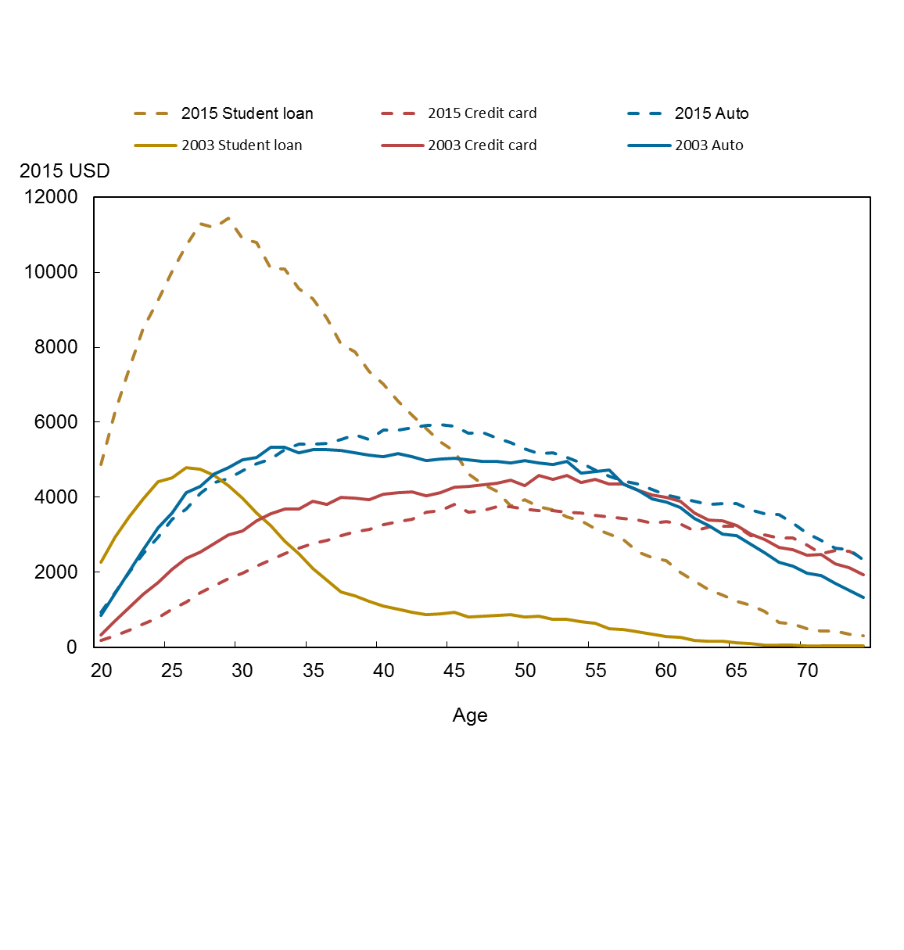
Change in Auto, SL, CC
Source: New York Fed Consumer Credit Panel / Equifax
 | Mortgage (Left axis) | HELOC | 2015 Student loan | 2015 Credit card | 2015 Auto | 2003 Student loan | 2003 Credit card | 2003 Auto
20 | 517.64 | 5.9506990447 | 4870.9127696 | 176.03501413 | 927.53939184 | 2259.353 | 338.83955263 | 852
21 | 1194.60 | 9.4836167901 | 6273.2856334 | 306.27858849 | 1448.1035048 | 2943.633 | 710.15480397 | 1426
22 | 2436.92 | 32.511520996 | 7422.784203 | 464.05330178 | 1994.61004 | 3477.516 | 1065.2430623 | 2021
23 | 4555.78 | 79.796501135 | 8498.1565793 | 624.11081319 | 2489.8736197 | 3967.038 | 1418.8662003 | 2609
24 | 7137.91 | 112.36198202 | 9257.8217441 | 794.08244356 | 2935.1179959 | 4409.133 | 1732.5191727 | 3186
25 | 10694.07 | 189.33422169 | 10032.691958 | 1012.4221576 | 3420.6594661 | 4515.918 | 2078.9444987 | 3578
26 | 15038.02 | 302.01165954 | 10713.377658 | 1206.2917266 | 3684.5579352 | 4784.817 | 2377.5726594 | 4122
27 | 18363.09 | 391.67722052 | 11302.111901 | 1446.9363304 | 4103.3332559 | 4750.043 | 2549.4105246 | 4292
28 | 22524.86 | 537.53440493 | 11197.634096 | 1650.1340431 | 4386.8099105 | 4574.683 | 2763.2543063 | 4634
29 | 27059.29 | 591.82165784 | 11440.113067 | 1828.1806281 | 4506.8679497 | 4311.272 | 2998.0306317 | 4781
30 | 30449.24 | 829.31316207 | 10892.014902 | 1983.6145458 | 4701.5196335 | 3979.289 | 3105.5382653 | 4994
31 | 34380.65 | 1089.8911362 | 10787.109755 | 2167.9288958 | 4900.1776863 | 3590.493 | 3366.773424 | 5059
32 | 38953.03 | 1060.0446251 | 10111.328719 | 2324.9903586 | 5025.9164525 | 3238.518 | 3554.2732226 | 5328
33 | 41852.46 | 1234.9806211 | 10092.143984 | 2496.0160839 | 5275.725466 | 2833.636 | 3684.0128286 | 5328
34 | 43333.60 | 1440.8984042 | 9569.514542 | 2650.5082318 | 5422.7136691 | 2497.459 | 3694.4313893 | 5180
35 | 46479.07 | 1591.9065653 | 9283.3380036 | 2774.388251 | 5409.8880176 | 2106.866 | 3895.0904045 | 5279
36 | 48011.23 | 1767.4234499 | 8768.2035677 | 2855.8611816 | 5446.8027543 | 1789.466 | 3817.0443914 | 5262
37 | 49239.52 | 1856.5432553 | 8081.1142695 | 2976.0237578 | 5539.6038132 | 1481.296 | 3988.7683584 | 5244
38 | 49917.44 | 1980.5708077 | 7872.9723026 | 3074.4499874 | 5661.1456291 | 1365.139 | 3987.3242956 | 5192
39 | 50786.81 | 2024.369343 | 7350.5746501 | 3143.8556237 | 5550.8031024 | 1216.196 | 3944.351448 | 5134
40 | 50476.04 | 1955.7552823 | 7024.4665695 | 3259.8284492 | 5782.139495 | 1100.306 | 4089.0422468 | 5090
41 | 51162.29 | 2108.8624055 | 6570.9894281 | 3352.7950119 | 5786.2716409 | 1023.053 | 4115.0889184 | 5169
42 | 52396.32 | 2286.2019432 | 6196.4000982 | 3409.6815491 | 5855.238018 | 940.5234 | 4146.7435639 | 5092
43 | 49570.30 | 2355.9582355 | 5833.9858559 | 3594.4748115 | 5921.2329286 | 877.9582 | 4034.6598661 | 4976
44 | 50105.66 | 2416.8318403 | 5476.2286334 | 3651.0343426 | 5942.231643 | 890.7121 | 4132.5169583 | 5015
45 | 50165.01 | 2382.6461671 | 5222.3537377 | 3812.5383588 | 5903.7223827 | 925.2437 | 4268.9352745 | 5036
46 | 49491.45 | 2647.0399741 | 4615.2138394 | 3606.6276377 | 5711.4187818 | 803.3939 | 4287.5833091 | 4996
47 | 48888.50 | 2588.0779734 | 4349.0467877 | 3648.8495524 | 5720.4807647 | 831.553 | 4329.772631 | 4955
48 | 47764.99 | 2578.2775455 | 4162.2118733 | 3739.5517971 | 5579.6102159 | 845.8152 | 4372.8307423 | 4964
49 | 47792.87 | 2922.626423 | 3768.5031873 | 3748.048431 | 5457.5590683 | 865.3151 | 4462.5197655 | 4910
50 | 46606.54 | 2699.7346512 | 3935.4783207 | 3676.6137175 | 5301.3262685 | 809.4979 | 4319.7034913 | 4982
51 | 47432.06 | 2894.3106791 | 3747.3617576 | 3635.4196558 | 5160.316852 | 825.0754 | 4579.8307173 | 4906
52 | 46223.16 | 2963.7158327 | 3675.5389485 | 3639.5698517 | 5186.2739209 | 744.5471 | 4470.6759216 | 4878
53 | 46320.49 | 3239.102867 | 3478.3707591 | 3609.8099746 | 5061.3165193 | 749.079 | 4572.138518 | 4952
54 | 43638.55 | 2829.889806 | 3369.0103266 | 3574.7977797 | 4917.1723222 | 683.0162 | 4395.7030199 | 4638
55 | 42377.83 | 3133.3189421 | 3168.0310172 | 3511.2978584 | 4725.6964678 | 637.3341 | 4478.9551367 | 4684
56 | 43751.74 | 3444.3886239 | 3019.9487797 | 3484.8176096 | 4570.8932766 | 499.1174 | 4359.1150891 | 4718
57 | 40595.83 | 2965.9774166 | 2866.5525081 | 3442.8241375 | 4443.3580577 | 474.6919 | 4346.5901825 | 4359
58 | 38547.76 | 3132.658931 | 2546.2967217 | 3383.8551162 | 4355.186559 | 417.8516 | 4196.0426744 | 4180
59 | 36561.92 | 2843.9416302 | 2389.6826587 | 3311.2405002 | 4214.4014477 | 349.1229 | 4063.8489472 | 3963
60 | 35530.27 | 3,242.6 | 2308.1337859 | 3351.9870673 | 4070.8960428 | 296.3 | 3990.3076505 | 3881.3464746
61 | 33397.19 | 2,965.6 | 2003.9676972 | 3295.0109849 | 3972.9615593 | 259.3 | 3890.2862788 | 3730.6227395
62 | 29471.33 | 2,629.4 | 1758.7195627 | 3107.2315133 | 3889.7513424 | 192.9 | 3589.6153912 | 3427.413599
63 | 28554.59 | 2,741.8 | 1541.9432868 | 3204.2615602 | 3804.2809849 | 169.1 | 3390.8519351 | 3240.8466891
64 | 25661.76 | 2,511.7 | 1384.1145318 | 3223.0709357 | 3841.1698252 | 171.8 | 3372.756899 | 3028.22969
65 | 24777.72 | 2,482.1 | 1227.1218971 | 3230.3111492 | 3830.8286709 | 124.5 | 3241.4974433 | 2973.3926779
66 | 20908.26 | 2,116.4 | 1131.7068649 | 2981.8954165 | 3659.9893005 | 99.8 | 3011.144314 | 2746.8592043
67 | 20196.18 | 2,164.1 | 951.07864598 | 2989.6002643 | 3560.8250521 | 60.9 | 2870.7136064 | 2527.8436296
68 | 17715.01 | 2,094.4 | 656.40724785 | 2905.3309539 | 3532.8836576 | 54.8 | 2673.9490134 | 2278.5074956
69 | 16407.54 | 1,961.5 | 613.46078521 | 2912.2774081 | 3304.2111494 | 54.8 | 2605.2349804 | 2167.0638929
70 | 14942.90 | 1,850.8 | 489.7383789 | 2726.8021235 | 3034.5662555 | 47.9 | 2458.7808327 | 1968.8789466
71 | 14168.81 | 1,912.2 | 443.48754961 | 2493.4167068 | 2855.5325573 | 48.0 | 2477.5169296 | 1917.4591653
72 | 13409.66 | 1,556.1 | 442.79464995 | 2585.3891372 | 2641.0513879 | 46.7 | 2224.0489944 | 1703.7426583
73 | 11358.89 | 1,434.5 | 351.70279298 | 2566.5700539 | 2600.7250038 | 44.1 | 2119.4859525 | 1508.751909
74 | 10303.67 | 1,281.5 | 315.04380504 | 2372.5144331 | 2329.4484525 | 38.0 | 1926.6776809 | 1336.9522187

Auto Originations
Posted with "The Graying of American Debt", by Meta Brown, Donghoon Lee, Joelle Scally, Katherine Strair, and Wilbert van der Klaauw .
http://libertystreeteconomics.newyorkfed.org/2016/02/the-graying-of-american-debt.html

Per Capita Auto Originations
Source: New York Fed Consumer Credit Panel / Equifax
Age | 2003 | 2015
20 | 0.09 | 0.09
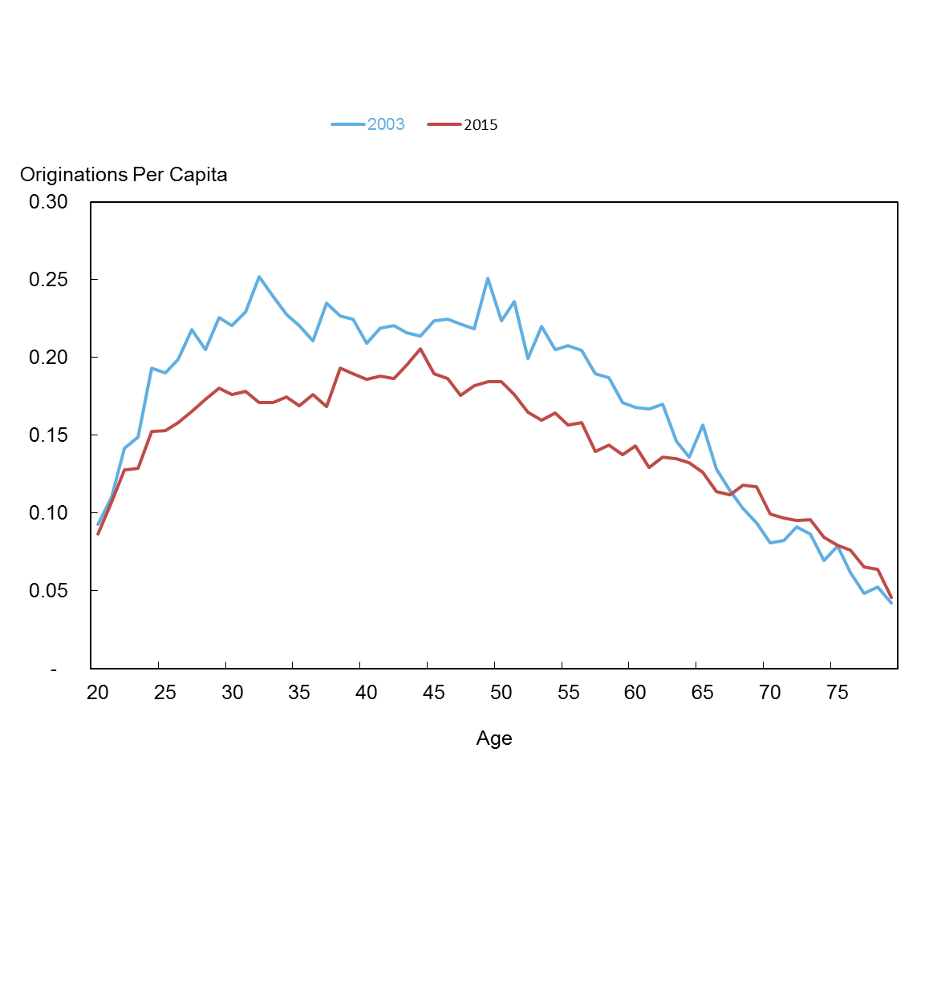
21 | 0.11 | 0.11
22 | 0.14 | 0.13
23 | 0.15 | 0.13
24 | 0.19 | 0.15
25 | 0.19 | 0.15
26 | 0.20 | 0.16
27 | 0.22 | 0.17
28 | 0.20 | 0.17
29 | 0.23 | 0.18
30 | 0.22 | 0.18
31 | 0.23 | 0.18
32 | 0.25 | 0.17
33 | 0.24 | 0.17
34 | 0.23 | 0.17
35 | 0.22 | 0.17
36 | 0.21 | 0.18
37 | 0.23 | 0.17
38 | 0.23 | 0.19
39 | 0.22 | 0.19
40 | 0.21 | 0.19
41 | 0.22 | 0.19
42 | 0.22 | 0.19
43 | 0.22 | 0.20
44 | 0.21 | 0.21
45 | 0.22 | 0.19
46 | 0.22 | 0.19
47 | 0.22 | 0.18
48 | 0.22 | 0.18
49 | 0.25 | 0.18
50 | 0.22 | 0.18
51 | 0.24 | 0.18
52 | 0.20 | 0.16
53 | 0.22 | 0.16
54 | 0.20 | 0.16
55 | 0.21 | 0.16
56 | 0.20 | 0.16
57 | 0.19 | 0.14
58 | 0.19 | 0.14
59 | 0.17 | 0.14
60 | 0.17 | 0.14
61 | 0.17 | 0.13
62 | 0.17 | 0.14
63 | 0.15 | 0.14
64 | 0.14 | 0.13
65 | 0.16 | 0.13
66 | 0.13 | 0.11
67 | 0.11 | 0.11
68 | 0.10 | 0.12
69 | 0.09 | 0.12
70 | 0.08 | 0.10
71 | 0.08 | 0.10
72 | 0.09 | 0.10
73 | 0.09 | 0.10
74 | 0.07 | 0.08
75 | 0.08 | 0.08
76 | 0.06 | 0.08
77 | 0.05 | 0.07
78 | 0.05 | 0.06
79 | 0.04 | 0.05

Mortgage Originations
Posted with "The Graying of American Debt", by Meta Brown, Donghoon Lee, Joelle Scally, Katherine Strair, and Wilbert van der Klaauw .
http://libertystreeteconomics.newyorkfed.org/2016/02/the-graying-of-american-debt.html

Per Capita Mortgage Originations
Source: New York Fed Consumer Credit Panel / Equifax
 | 2004* | 2015
20 | 0.0026186003749 | 0.0012062586265
21 | 0.005156942549 | 0.0032649466822
22 | 0.009177804465 | 0.0052288896375
23 | 0.015582208857 | 0.0099543342195
24 | 0.025747707787 | 0.014953248732
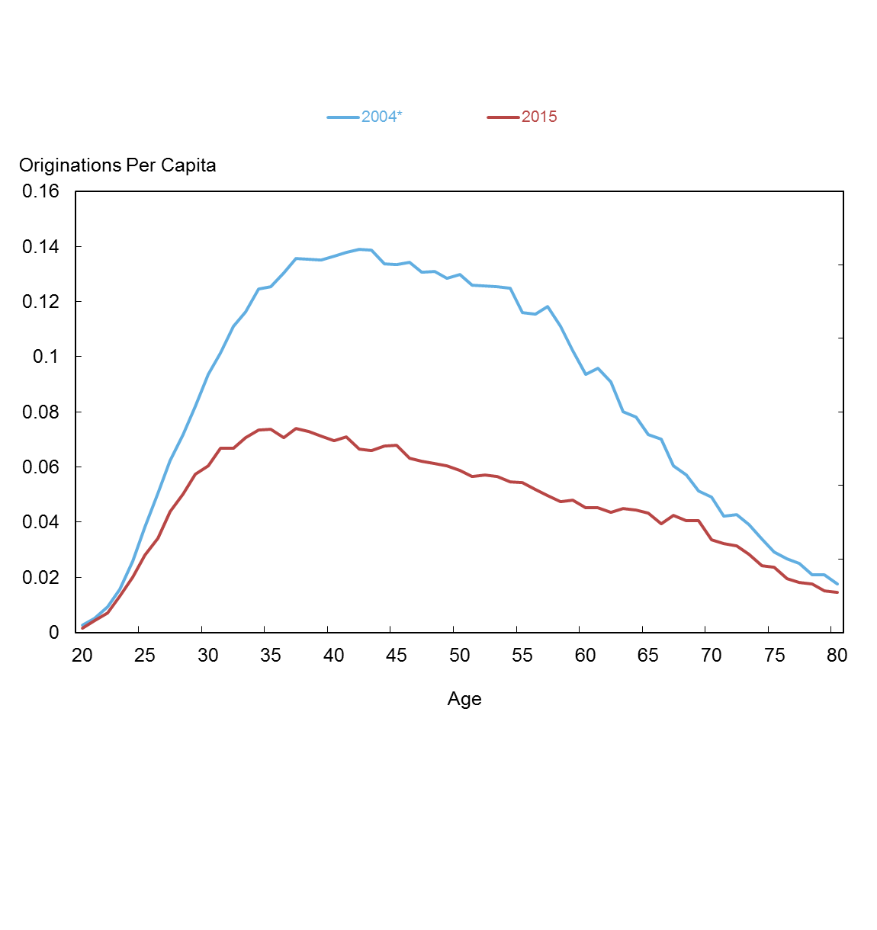
25 | 0.038173679242 | 0.020954710997
26 | 0.050445287539 | 0.025607904824
27 | 0.062226020983 | 0.032789861037
28 | 0.071631970378 | 0.037591100534
29 | 0.081900355503 | 0.04298468662
30 | 0.09358982032 | 0.045266199681
31 | 0.10134279199 | 0.050082744654
32 | 0.11096326283 | 0.050184518633
33 | 0.11640395372 | 0.053040174763
34 | 0.12461598585 | 0.055019408079
35 | 0.12532167219 | 0.055275439199
36 | 0.13049352063 | 0.052990788545
37 | 0.13555930785 | 0.055422454708
38 | 0.13530536625 | 0.054644952107
39 | 0.13522570499 | 0.053346872683
40 | 0.1364978111 | 0.052215002983
41 | 0.13781049525 | 0.053201541774
42 | 0.13888043593 | 0.049827039465
43 | 0.13875991741 | 0.049445152964
44 | 0.13365781729 | 0.050618376751
45 | 0.1335276067 | 0.050984582331
46 | 0.13423084326 | 0.047404681558
47 | 0.13059004967 | 0.046471301477
48 | 0.13086976815 | 0.045990126748
49 | 0.12834135994 | 0.045330021791
50 | 0.12981402032 | 0.044132079067
51 | 0.12604616722 | 0.042429412041
52 | 0.1256823754 | 0.042782710015
53 | 0.12536265252 | 0.042441128612
54 | 0.12475217764 | 0.040910120954
55 | 0.11609201389 | 0.040654894542
56 | 0.11555312505 | 0.038970826069
57 | 0.11829667409 | 0.037329837965
58 | 0.11108820806 | 0.035540587869
59 | 0.10226059417 | 0.035928324289
60 | 0.093627102142 | 0.033898852671
61 | 0.095796103497 | 0.03385535873
62 | 0.090762758185 | 0.032607423237
63 | 0.079924863262 | 0.033789323967
64 | 0.078211284229 | 0.033282742454
65 | 0.071737974692 | 0.032541695119
66 | 0.069993100813 | 0.029578830966
67 | 0.060447739851 | 0.031818301887
68 | 0.057181562443 | 0.030394021345
69 | 0.051389521082 | 0.03044049911
70 | 0.048961380342 | 0.025221438461
71 | 0.042102452293 | 0.024108194977
72 | 0.042740502958 | 0.023458773857
73 | 0.039237634497 | 0.021361289236
74 | 0.033945538054 | 0.018175948542
75 | 0.029150741724 | 0.017652013476
76 | 0.026733221761 | 0.014537021134
77 | 0.024992645066 | 0.013621692873
78 | 0.020998103302 | 0.013118165698
79 | 0.020836267322 | 0.011356425873
80 | 0.017533823454 | 0.01081505109

Credit Scores
Posted with "The Graying of American Debt", by Meta Brown, Donghoon Lee, Joelle Scally, Katherine Strair, and Wilbert van der Klaauw .
http://libertystreeteconomics.newyorkfed.org/2016/02/the-graying-of-american-debt.html

Credit Score by Age *
Source: New York Fed Consumer Credit Panel / Equifax
*Credit score is Equifax RiskScore
Age | 1985 | 1980 | 1970 | 1960 | 1950 | 1940
20
21
22 | 636.00
23 | 634.00 | 620
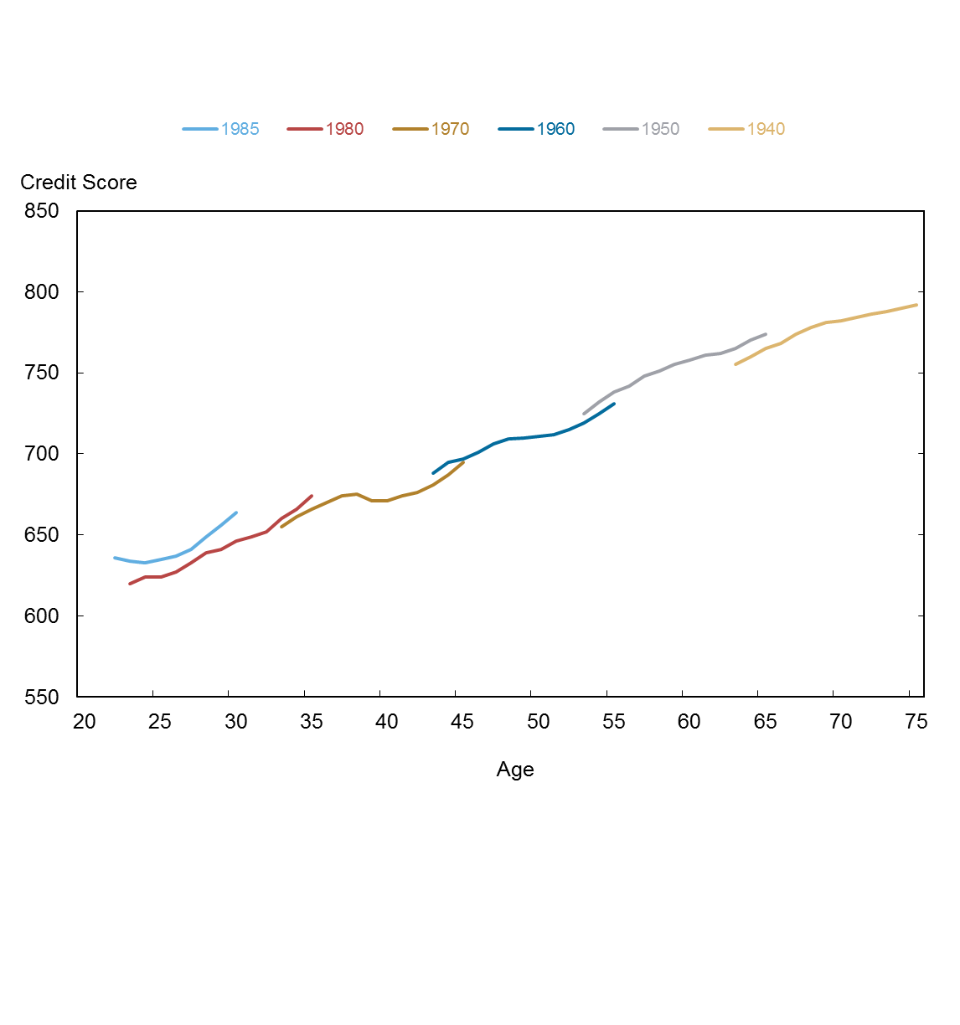
24 | 633.00 | 624
25 | 635.00 | 624
26 | 637.00 | 627
27 | 641.00 | 633
28 | 649.00 | 639
29 | 656.00 | 641
30 | 664.00 | 646
31 |  | 649
32 |  | 652
33 |  | 660 | 655
34 |  | 666 | 661
35 |  | 674 | 666
36 |  |  | 670
37 |  |  | 674
38 |  |  | 675
39 |  |  | 671
40 |  |  | 671
41 |  |  | 674
42 |  |  | 676
43 |  |  | 681 | 688
44 |  |  | 687 | 695
45 |  |  | 695 | 697
46 |  |  |  | 701
47 |  |  |  | 706
48 |  |  |  | 709
49 |  |  |  | 710
50 |  |  |  | 711
51 |  |  |  | 712
52 |  |  |  | 715
53 |  |  |  | 719 | 725
54 |  |  |  | 725 | 732
55 |  |  |  | 731 | 738
56 |  |  |  |  | 742
57 |  |  |  |  | 748
58 |  |  |  |  | 751
59 |  |  |  |  | 755
60 |  |  |  |  | 758
61 |  |  |  |  | 761
62 |  |  |  |  | 762
63 |  |  |  |  | 765 | 755
64 |  |  |  |  | 770 | 760
65 |  |  |  |  | 774 | 765
66 |  |  |  |  |  | 768
67 |  |  |  |  |  | 774
68 |  |  |  |  |  | 778
69 |  |  |  |  |  | 781
70 |  |  |  |  |  | 782
71 |  |  |  |  |  | 784
72 |  |  |  |  |  | 786
73 |  |  |  |  |  | 788
74 |  |  |  |  |  | 790
75 |  |  |  |  |  | 792

